Cable & Line Cust & kVA Cost
Examine Fixed and Variable Percentages of Total Underground Cable and Overhead Line Costs
Based on Western Power Corporation Network Assets Valuation as at 30 June 2004

Underground HV Cables ( Fully Installed) | Capacity Catalogue (A) | Derating Factor | Capacity WA Conditions (A) | Cable kVA Rating | Installed Cost $/ km | Ave Cost per kVA | Incremental kVA | Incremental Cost | Incremental Cost per kVA
22kV U/G Light ( 35mm2 Al) Min Cable Size | 135 | 0.8 | 108 | 4115 | 67545 | 16.41
22kV U/G Medium (95mm2 Al) | 230 | 0.8 | 184 | 7011 | 73998 | 10.55 | 2896 | 6453 | 2.23
22kV U/G Standard (185mm2 Al) | 330 | 0.8 | 264 | 10060 | 84994 | 8.45 | 3048 | 10996 | 3.61

Fixed vs Variable Components of the Installed Cost of 22kV Underground Cables

 | Installed Cable Cost $ per km | % Total Cost | Cable kVA Capacity | Delta kVA | Incremental $/kVA/km
Cost of 22kV U/G ( 35mm2 Al) Min Size Cable | 67545 | 79% | 4115
Variable Cost - Additional Cost to 185mm2 | 17449 | 21% |  | 5944 | 2.94
Cost of 22kV U/G (185mm2 Al) Cable | 84994 |  | 10060
Based on Western Power Corporation Network Assets Valuation as at 30 June 2004
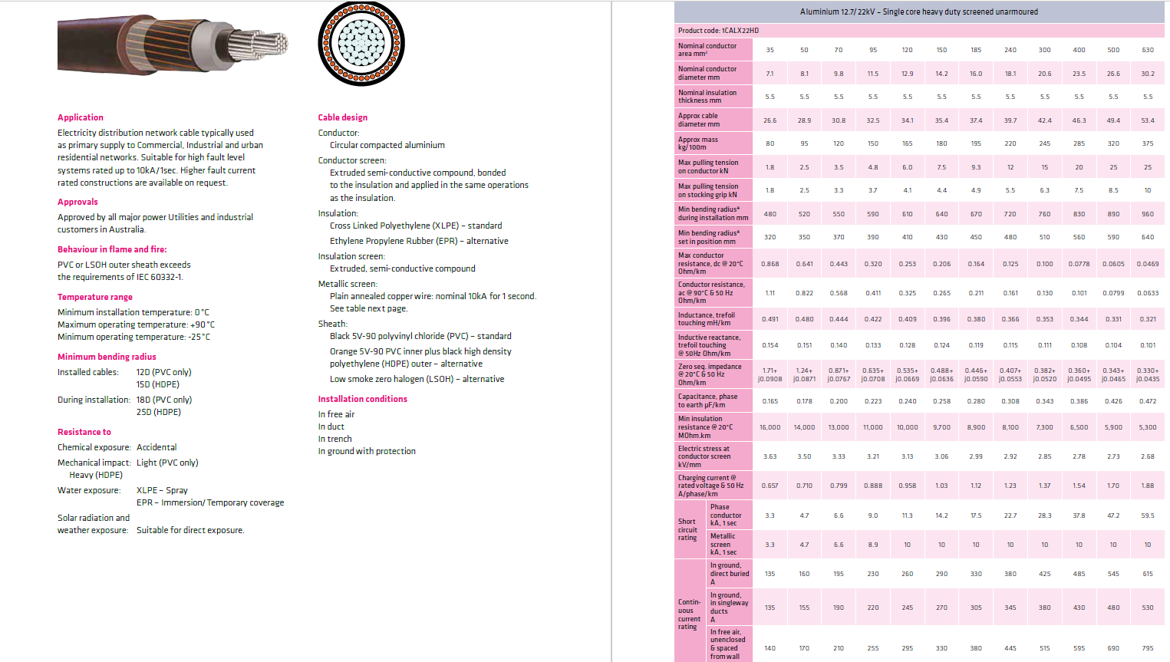

Overhead 3 Phase Lines ( Fully Installed) |  |  | Capacity Summer Still Air (A) | Line Capacity kVA | Installed Cost ($/ km) | Ave Cost per kVA | Incremental kVA | Incremental Cost | Incremental Cost per kVA/km
22kV 7/2.50 AAAC, 40m Bays (35mm2) | Min Size |  | 93 | 3544 | 47170 | 13.31
22kV 7/4.75 AAAC, 40m Bays (124mm2) |  |  | 207 | 7888 | 50289 | 6.38 | 4344 | 3119 | 0.72
22kV 19/3.25 AAAC, 40m Bays (158mm2) |  |  | 240 | 9145 | 50981 | 5.57 | 1257 | 692 | 0.55

 | Cost per km | % Total Cost | Delta kVA | $/kVA Incremental Cost
Fixed Cost (Min O/H Line ) Irrespective of kVA | 47170 | 93%
Variable Cost - Additional Cost to 185mm2 | 3811 | 7% | 5601 | 0.68
Total Cost | 50981

