Cover
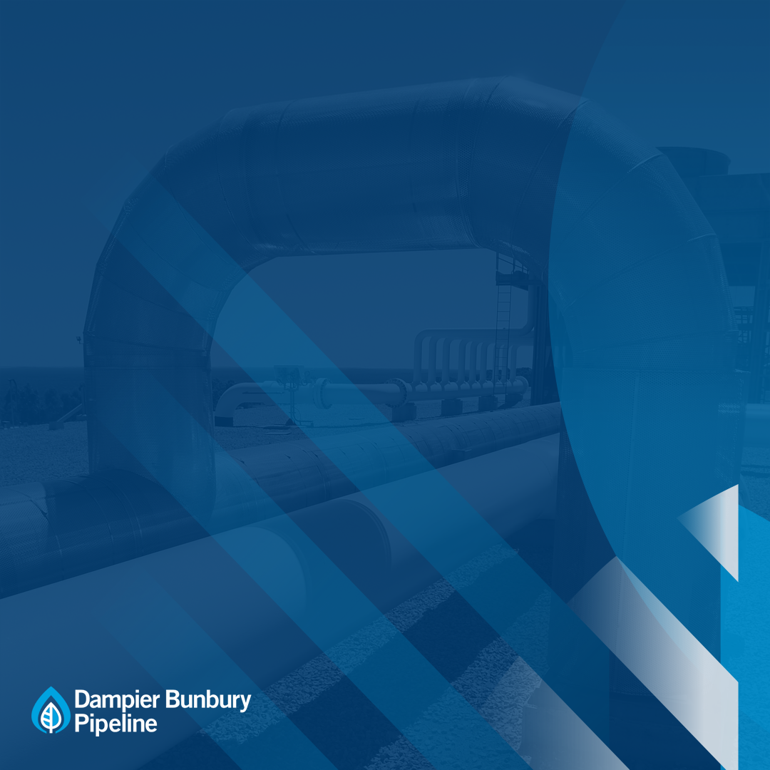

Attachment 8.6
Capex Forecast Model 2021-25
January 2020
Public

By driver
 | Total
Delivering for customers | $117.4
A good employer | $23.1
Sustainably cost efficient | $19.4
 | $159.9

By asset class
 | Total
Pipeline | $0.0
Compression | $22.1
Metering | $7.0
Other | $15.0
Computers & Motor Vehicles | $26.1
Corrosion/Cathodic Protection | $14.9
SCADA, Electrical Control & Instrumentation and Communications | $74.8

