Cover
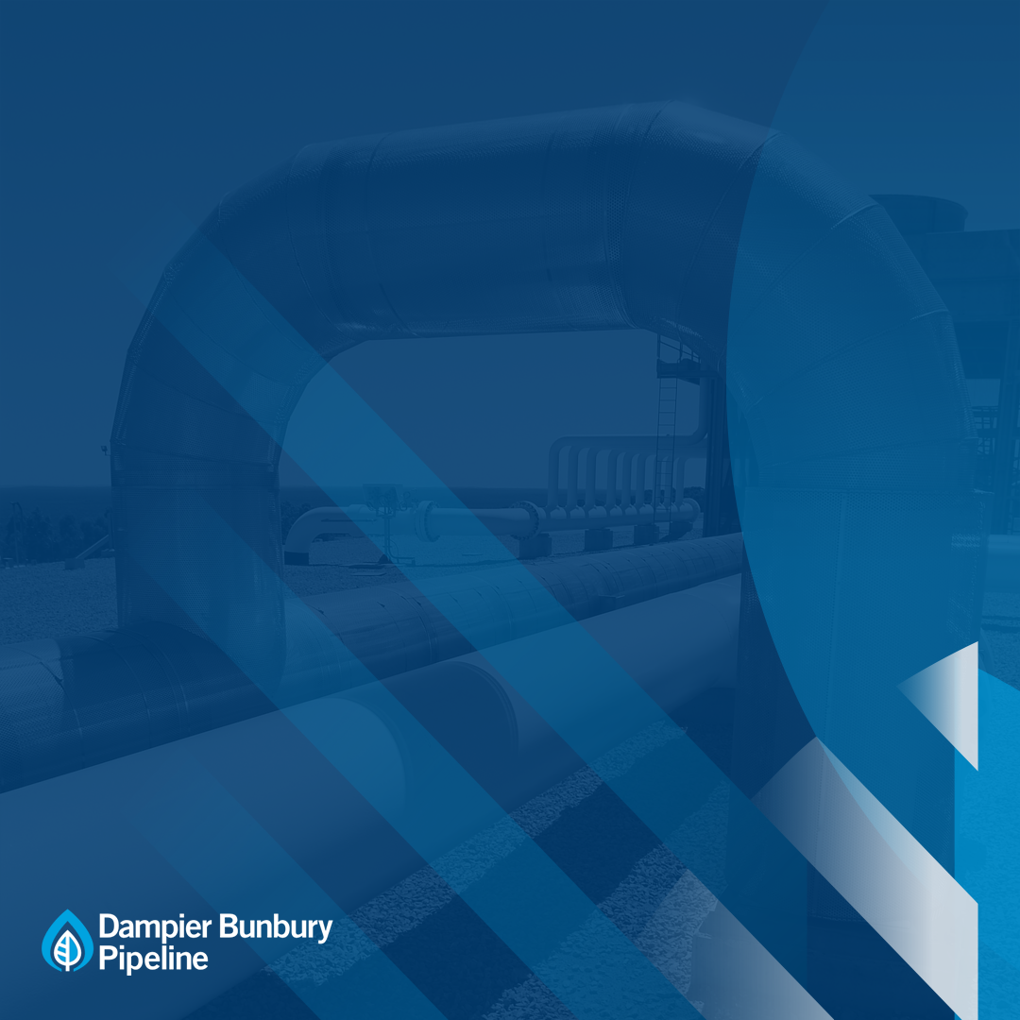

Attachment 8.6A
Capex Forecast Model 2021-25
Revised Final Plan
October 2020

By driver
 | Total
Delivering for customers | $119.6
A good employer | $20.1
Sustainably cost efficient | $19.5
 | $159.1

By asset class
 | Total
Pipeline | $0.0
Compression | $21.2
Metering | $7.0
Other | $15.2
Computers & Motor Vehicles | $33.7
Corrosion/Cathodic Protection | $14.1
SCADA, Electrical Control & Instrumentation and Communications | $68.0

