Cover Sheet
Revised Final Plan Attachment 12.1A
Opex Incentive Scheme Calculation Model
August 2025
PUBLIC

Benchmark
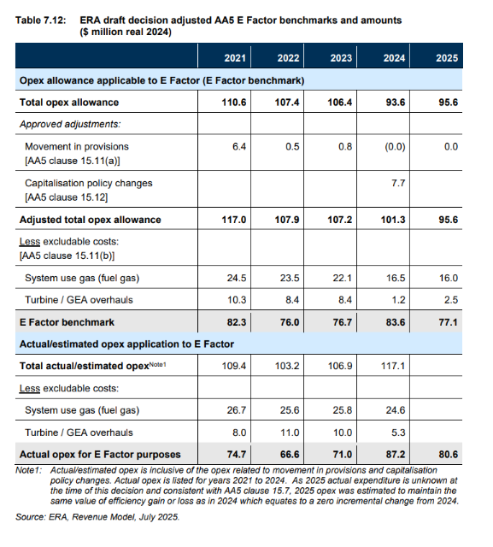
 | 2021 | 2022 | 2023 | 2024 | 2025
Opex allowance applicable to the E Factor | 110.6 | 107.4 | 106.4 | 93.6 | 95.6
Proposed adjustments:
Movement in provisions | 6.4 | 0.5 | 0.8 | 0.0 | 0.0
Change in capitalisation policy |  |  |  | 2.3
Expenditure for unforeseen asset corrosion |  |  |  | 1.6
adjusted total opex allowance | 117.0 | 107.9 | 107.2 | 97.5 | 95.6
Less excludable costs:
System Use Gas | 24.5 | 23.5 | 22.1 | 16.5 | 16.0
GEA/turbine overhauls | 10.3 | 8.4 | 8.4 | 1.2 | 2.5
Revised E Factor benchmark | 82.3 | 76.0 | 76.7 | 79.8 | 77.1

